Bug Reports
Defect Report |  | Defect Report |  | Defect Report |  | Defect Report

Defect Report ID | DR - 001 | Defect Report ID | DR - 002 | Defect Report ID | DR - 003 | Defect Report ID | DR - 004
Title | User can send invalid datatype for the price. | Title | Invalid response for deleteing an already deleted booking. | Title | User can book without deposit is paid. | Title | User can book with an old date.
Description | User can send invalid datatype for the price which is string, the response body is null in the total price field while the response code is 200 instead of 500. | Description | When user send request to delete an already deleted booking, the response code is 403 instead of 404 which indicates that this booking is not found. | Description | Request body sent with deposit paid status is false and the response code is 200 instead of 400 because user should not book without deposit is paid. | Description | User can book with an old date in the past which is not acceptable to book in an old date, User should book in upcoming date.
Steps | 1- Open Postman 2- Click on Booking Collection. 3- Click on Negative Scenarios Folder. 4- Write the request body with String datatype in the total price. 5- Run the request. | Steps | 1- Create a new request in Postman. 2- Send the request to receive the response with string datatype for the price. 3- In the response panel, locate the "Body" section and ensure it is parsed correctly 4 -Analyze the structure of the response body and identify booking is deleted. 5- Write a test script in Postman's "Tests" feature to verify the booking is deleted. | Steps | 1- Create a new request in Postman 2- Send the request to receive the response. 3-In the response panel, locate the "Status" section and verify the returned HTTP status code. 4- Write a test script in Postman's "Tests" feature to verify that the response code status is 400. | Steps | 1- Create a new request in Postman. 2- Send the request with booking date in the past before 2018. 3- Write a test script in Postman's "Tests" feature to verify the booking request with old date.
Expected Results | Status code is 500. | Expected Results | Code is 404 | Expected Results | Status code is 400. | Expected Results | *Booking date after 2018 *Status code is 400
Actual Result | Status code is 200. | Actual Result | Code is 403 | Actual Result | Status code is 200. | Actual Result | *Booking date before 2018 *Status code is 200
Environment | Google Chrome | Environment | Google Chrome | Environment | Google Chrome | Environment | Google Chrome
Screenshot / Video | 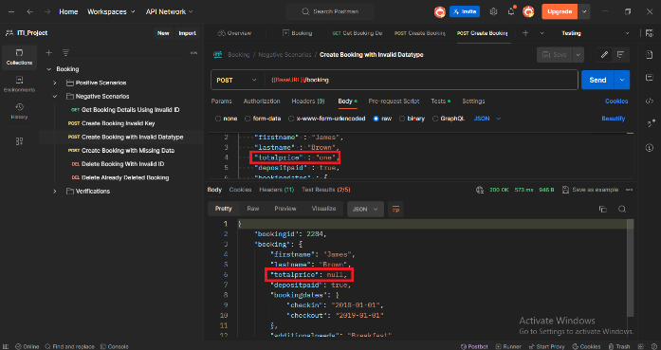 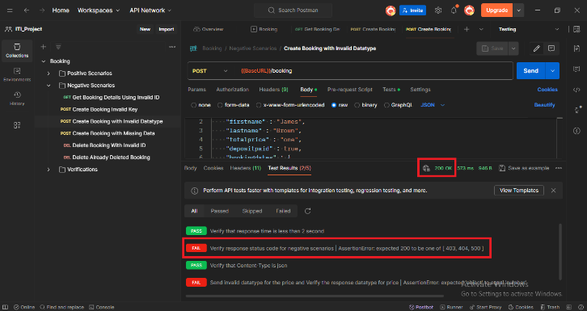 | Screenshot / Video | 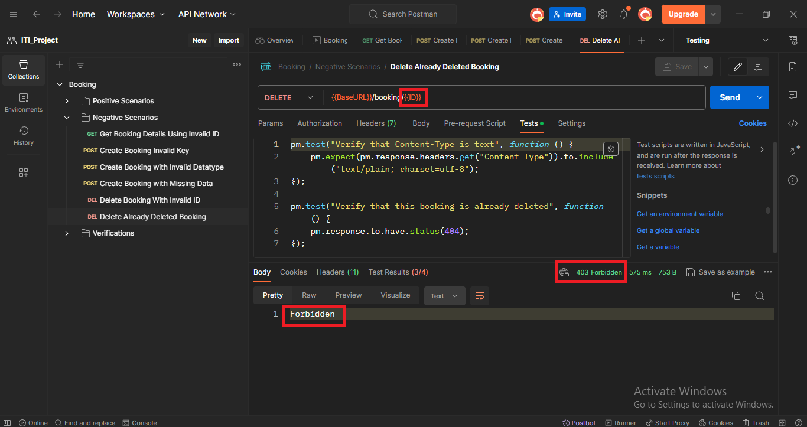 | Screenshot / Video | 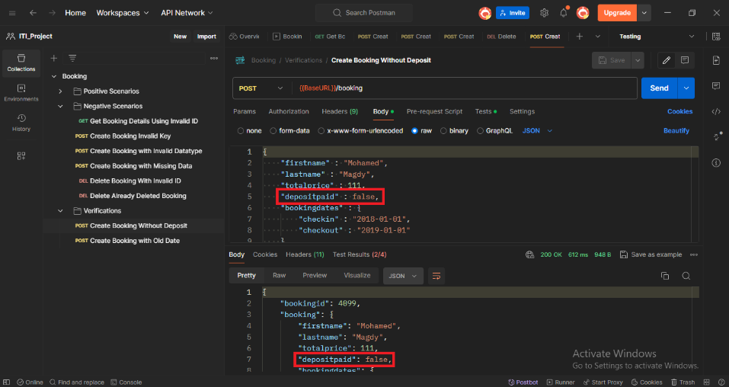 | Screenshot / Video | 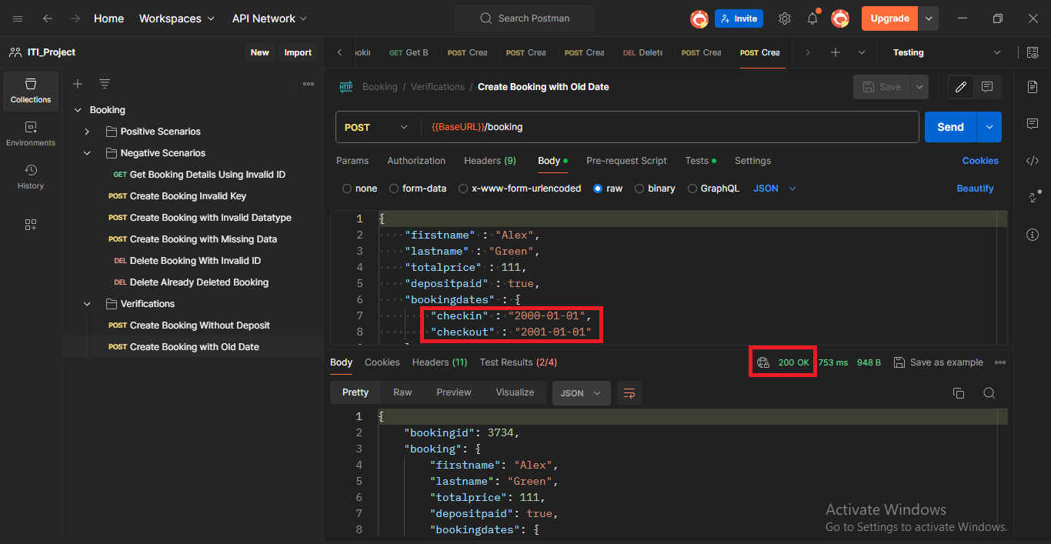
Priority | High | Priority | Medium | Priority | High | Priority | High
Severity | High | Severity | Medium | Severity | High | Severity | High
Status | Opened | Status | Opened | Status | Opened | Status | Opened

